Sheet1
dataset | HaGrid | Dgrid | Ours
Sensorless_drive_diagnosis | 0.25 | 0.02 | 0.06
Condition_based_maintenance | 0.12 | 0.01 | 0.1
Cup98LRN | 0.25 | 0.27 | 0.06
Google_playstore_sentiment | 0.04 | 0.01 | 0.04
BeijingPM2.5 | 0.34 | 0.11 | 0.03
Human_activity_recognition | 0.07 | 0.04 | 0.01
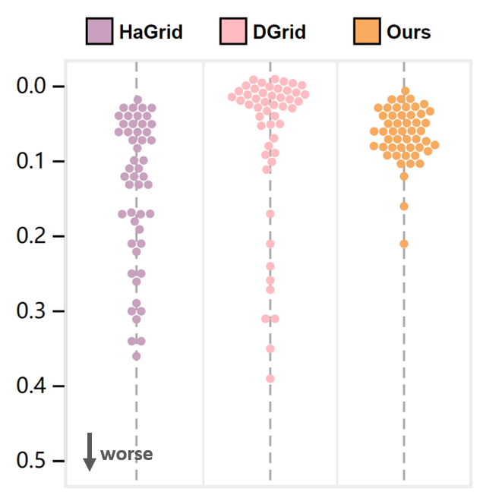
Crowd_sourced_mapping | 0.12 | 0.01 | 0.08
Telescope | 0.07 | 0.01 | 0.03
Credit_card_fraud | 0.21 | 0.31 | 0.07
MoCap | 0.17 | 0.05 | 0.07
BlackFriday | 0.03 | 0.09 | 0.08
2008_cancelled_flights | 0.3 | 0.21 | 0.06
Barcelona_accident | 0.08 | 0.01 | 0.03
HT_sensor | 0.34 | 0.39 | 0.16
Epileptic_seizure | 0.04 | 0 | 0.05
Terrorism | 0.3 | 0.26 | 0.05
Mnist_tsne | 0.03 | 0.02 | 0.12
Swiss_roll_3d | 0.17 | 0.01 | 0.1
Nomao | 0.13 | 0.03 | 0.03
Person_activity | 0.21 | 0.04 | 0.08
Diamonds | 0.29 | 0.05 | 0.03
Wine | 0.06 | 0.05 | 0.05
Gas_sensor_array_drift | 0.31 | 0.01 | 0.05
Abalone | 0.06 | 0.01 | 0.07
Gesture_phase | 0.11 | 0 | 0.03
CS_rankings | 0.02 | 0.02 | 0.09
Satimage | 0.13 | 0 | 0.02
Avila | 0.17 | 0 | 0.04
Forest_covertype | 0.17 | 0.24 | 0.05
Clothes | 0.04 | 0.01 | 0.08
News_popularity | 0.05 | 0.02 | 0.03
Grammatical_facial_expression | 0.19 | 0.01 | 0.04
Swiss_roll_2d | 0.03 | 0 | 0.04
Hathi_trust_library | 0.11 | 0.17 | 0.07
Daily_sports | 0.18 | 0.31 | 0.08
Manhattan | 0.06 | 0.01 | 0.06
Phyllotaxis | 0.26 | 0.1 | 0.21
Basketball | 0.04 | 0 | 0.03
Dc_census_citizens | 0.05 | 0.08 | 0.05
Chicago_crimes | 0.12 | 0.07 | 0.08
DBLP_samples | 0.05 | 0.09 | 0.08
Music | 0.03 | 0.01 | 0.06
News | 0.05 | 0.01 | 0.08
Paleontology | 0.1 | 0.01 | 0.1
COVID-19_deaths | 0.22 | 0.02 | 0.02
GridGena | 0.06 | 0.01 | 0.09
GaAsH6 | 0.07 | 0.01 | 0.08
Copter | 0.1 | 0.01 | 0.09
News_aggregator | 0.36 | 0.35 | 0.09
GNFUV | 0.13 | 0.02 | 0.02

